Sheet1
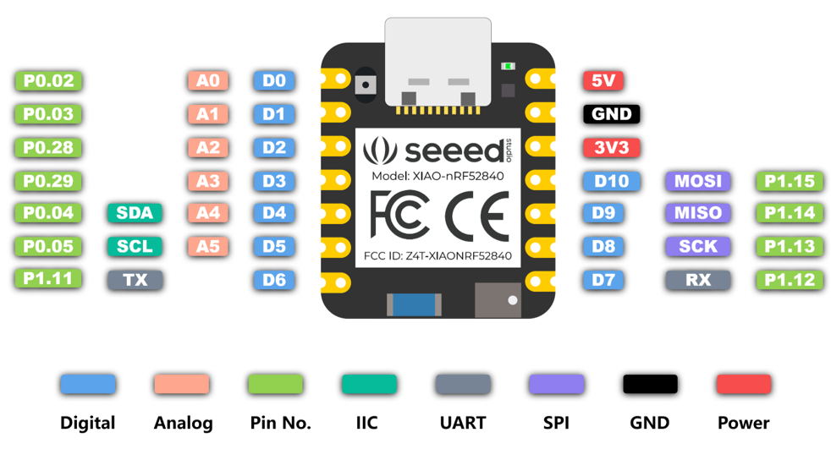
Pin | Name | Function | Description | Recommended usage | Seeed Studio XIAO nRF52840 pin definitions and functions |  |  |  | BOOT
A8 | P0.31 AIN7 | Digital I/O Analog input | General purpose I/O Analog input | Standard drive, low frequency I/O only |  |  |  |  | JTAG/SWD
A10 | P0.29 AIN5 | Digital I/O Analog input | General purpose I/O Analog input | Standard drive, low frequency I/O only | A3 | D3 |  |  | UART
A12 | P0.02 AIN0 | Digital I/O Analog input | General purpose I/O Analog input | Standard drive, low frequency I/O only | A0 | D0 |  |  | SPI
A14 | P1.15 | Digital I/O | General purpose I/O | Standard drive, low frequency I/O only |  | D10 | MOSI |  | ALL PWM
A16 | P1.13 | Digital I/O | General purpose I/O | Standard drive, low frequency I/O only |  | D8 | SCK |  | USB
A18 | DEC2 | Power | 1.3 V regulator supply decoupling |  |  |  |  |  | Analog
A20 | P1.10 | Digital I/O | General purpose I/O | Standard drive, low frequency I/O only |  | D19 | MIC_PWR |  | IIC
A22 | VDD | Power | Power supply |  |  |  |  |  | Digital
A23 | XC2 | Analog input | Connection for 32 MHz crystal |  |  |  |  |  | GPIO
B1 | VDD | Power | Power supply |  |  |  |  |  | QTouch
B3 | DCC | Power | DC/DC converter output |  |  |  |  |  | LED
B5 | DEC4 | Power | 1.3 V regulator supply decoupling | Must be connected to DEC6 (pin E24)
B7 | VSS | Power | Ground
B9 | P0.30 AIN6 | Digital I/O Analog input | General purpose I/O Analog input | Standard drive, low frequency I/O only |  | D13 | LED_GREEN
B11 | P0.28 AIN4 | Digital I/O Analog input | General purpose I/O Analog input | Standard drive, low frequency I/O only | A2 | D2
B13 | P0.03 | Digital I/O Analog input | General purpose I/O | Standard drive, low frequency I/O only | A1 | D1
B15 | P1.14 | Digital I/O | General purpose I/O | Standard drive, low frequency I/O only |  | D9 | MISO
B17 | P1.12 | Digital I/O | General purpose I/O | Standard drive, low frequency I/O only |  | D7 | PIN_SERIAL1_RX
B19 | P1.11 | Digital I/O | General purpose I/O | Standard drive, low frequency I/O only |  | D6 | PIN_SERIAL1_TX
B24 | XC1 | Analog input | Connection for 32 MHz crystal
C1 | DEC1 | Power | 1.1 V regulator supply decoupling
D2 | P0.00 XL1 | Digital I/O Analog input | General purpose I/O Connection for 32.768 kHz crystal
D23 | DEC3 | Power | Power supply, decoupling
E24 | DEC6 | Power | 1.3 V regulator supply decoupling | Must be connected to DEC4 (pin B5)
F2 | P0.01 XL2 | Digital I/O Analog input | General purpose I/O Connection for 32.768 kHz crystal
F23 | VSS_PA | Power | Ground (radio supply)
G1 | P0.26 | Digital I/O | General purpose I/O |  |  | D11 | LED_BUILTIN | LED_RED
H2 | P0.27 | Digital I/O | General purpose I/O |  |  | D16 | LSM6DS3TR_I2C_SCL
H23 | ANT | RF | Single-ended radio antenna connection | See Reference circuitry on page 588 for guidelines on how to ensure good RF performance
J1 | P0.04 AIN2 | Digital I/O Analog input | General purpose I/O Analog input |  | A4 | D4 | SDA
J24 | P0.10 NFC2 | Digital I/O NFC input | General purpose I/O NFC antenna connection | Standard drive, low frequency I/O only |  | D31 | NFC2 | VBAT
K2 | P0.05 AIN3 | Digital I/O Analog input | General purpose I/O Analog input |  | A5 | D5 | SCL
L1 | P0.06 | Digital I/O | General purpose I/O |  |  | D12 | LED_BLUE
L24 | P0.09 NFC1 | Digital I/O NFC input | General purpose I/O NFC antenna connection only | Standard drive, low frequency I/O only |  | D30 | NFC1
M2 | P0.07 TRACECLK | Digital I/O Trace clock | General purpose I/O Trace buffer clock |  |  | D17 | LSM6DS3TR_I2C_SDA
N1 | P0.08 | Digital I/O | General purpose I/O
N24 | DEC5 Not connected | Power | 1.3 V regulator supply decoupling for build codes Dxx and earlier. Not connected for build codes Fxx and later.
P2 | P1.08 | Digital I/O | General purpose I/O |  |  | D15 | LSM6DS3TR_PWR
P23 | P1.07 | Digital I/O | General purpose I/O | Standard drive, low frequency I/O only
R1 | P1.09 TRACEDATA3 | Digital I/O Trace data | General purpose I/O Trace buffer TRACEDATA[3]
R24 | P1.06 | Digital I/O | General purpose I/O | Standard drive, low frequency I/O only
T2 | P0.11 TRACEDATA2 | Digital I/O Trace data | General purpose I/O Trace buffer TRACEDATA[2] |  |  | D18 | LSM6DS3TR_INT1
T23 | P1.05 | Digital I/O | General purpose I/O | Standard drive, low frequency I/O only
U1 | P0.12 TRACEDATA1 | Digital I/O Trace data | General purpose I/O Trace buffer TRACEDATA[1]
U24 | P1.04 | Digital I/O | General purpose I/O | Standard drive, low frequency I/O only
V23 | P1.03 | Digital I/O | General purpose I/O | Standard drive, low frequency I/O only
W1 | VDD | Power | Power supply
W24 | P1.02 | Digital I/O | General purpose I/O | Standard drive, low frequency I/O only
Y2 | VDDH | Power | High voltage power supply
Y23 | P1.01 | Digital I/O | General purpose I/O | Standard drive, low frequency I/O only
AA24 | SWDCLK | Debug | Serial wire debug clock input for debug and programming
AB2 | DCCH | Power | DC/DC converter output
AC5 | DECUSB | Power | USB 3.3 V regulator supply decoupling
AC9 | P0.14 | Digital I/O | General purpose I/O |  |  | D14 | READ_BAT
AC11 | P0.16 | Digital I/O | General purpose I/O |  |  | D21 | PDM_DATA
AC13 | P0.18 nRESET | Digital I/O | General purpose I/O Configurable as pin RESET | QSPI/CSN
AC15 | P0.19 | Digital I/O | General purpose I/O | QSPI/SCK
AC17 | P0.21 | Digital I/O | General purpose I/O | QSPI |  | D24 | QSPI_SCK
AC19 | P0.23 | Digital I/O | General purpose I/O | QSPI |  | D29 | QSPI_SIO_3 HOLD
AC21 | P0.25 | Digital I/O | General purpose I/O |  |  | D25 | QSPI_CSN
AC24 | SWDIO | Debug | Serial wire debug I/O for debug and programming
AD2 | VBUS | Power | 5 V input for USB 3.3 V regulator
AD4 | D- | USB | USB D-
AD6 | D+ | USB | USB D+
AD8 | P0.13 | Digital I/O | General purpose I/O |  |  | D22 | BQ25100 HICHG
AD10 | P0.15 | Digital I/O | General purpose I/O
AD12 | P0.17 | Digital I/O | General purpose I/O |  |  | D23 | BQ25100 ~CHG
AD14 | VDD | Power | Power supply
AD16 | P0.20 | Digital I/O | General purpose I/O |  |  | D26 | QSPI_SIO_0 DI
AD18 | P0.22 | Digital I/O | General purpose I/O | QSPI |  | D28 | QSPI_SIO_2 WP
AD20 | P0.24 | Digital I/O | General purpose I/O |  |  | D27 | QSPI_SIO_1 DO
AD22 | P1.00 TRACEDATA0 | Digital I/O Trace data | General purpose I/O Trace buffer TRACEDATA[0] Serial wire output (SWO) | QSPI |  | D20 | PDM_CLK
AD23 | VDD | Power | Power supply
Die pad | VSS | Power | Ground pad | Exposed die pad must be connected to ground (VSS) for proper device operation

